Completion Instructions
 |  | Completion Instructions

 |  | Please delete this tab once you have completed this file

1. Every pool has one separate HTT. Issuers with more than one cover pool have to present as many separate HTTs as the number of pools.
2. All cells that include “[For completion]” and “[Mark as ND if not relevant]” needs to be completed
3. The "[For completion]" or "[Mark as ND if not relevant]" cells could be filled with:
 | 3.A Numbers: Please insert the appropriate data
 | 3.B Letters: Please insert either No Data (ND)
 | (i) ND1: Please complete the cell with ND1 when the information is not applicable for the jurisdiction
 | (ii) ND2: Please complete the cell with ND2 when the information is not relevant for the issuer and/or CB programme at the present time
 | (iii) ND3: Please complete the cell with ND3 when the information is not available at the present time
4. Please note that the percentage cells will be automatically completed by the spreadsheet.
5. The wording of the tabs referring to the HTT (the ones with an orange tab colour) are not to be changed.
6. Should you wish to insert your National Transparency Template worksheet(s) in the HTT, please follow our instructions in the box below.
 | Please do not forget to change the name of the worksheet in order to be consistent with the numbering of the existing ones (starting with D.).
 | Please update the Introduction Tab accordingly.
7. Please delete tab D (Insert National Transparency Template) and the example tabs if unused.
 | Please update the introduction Tab accordingly.
8. Should you make references to external documents or cells in this document, please insert the hyperlink.
9. Since HTT 2018 various fields as well as the amount of rows and columns are blocked in order to guarantee the uniformity of the HTT architecture which enables to run automated reporting programs. In order to guarantee this uniformity the Secretariat will not provide 'unprotected' HTTs to the issuers

10. Since the loan bucket size of the loan size information (Tab. B1 HTT mortgage Assets - section 7.10 and 7.15, Tab. B2 HTT Public Sector Assets - section 8.2, Tab B3. HTT Shipping Assets - section 9.8) is decided at national level, please follow the agreed dispositions which can be found in the HTT Completion Guideline

11. Since the regional breakdown denomination (Tab. B1 HTT Mortgage Assets - section 7.5., Tab B2 HTT Public Sector Assets - section 8.5) is decided at national level, please follow the agreed dispositions which can be found in the HTT Completion Guideline

12. For any further questions on how to complete the HTT please consult in the following order:
 | (i) the HTT Completion Guideline
 | (ii) the relevant National Coordinator
 | (iii) the Covered Bond Label Secretariat

How to import an excel worksheet

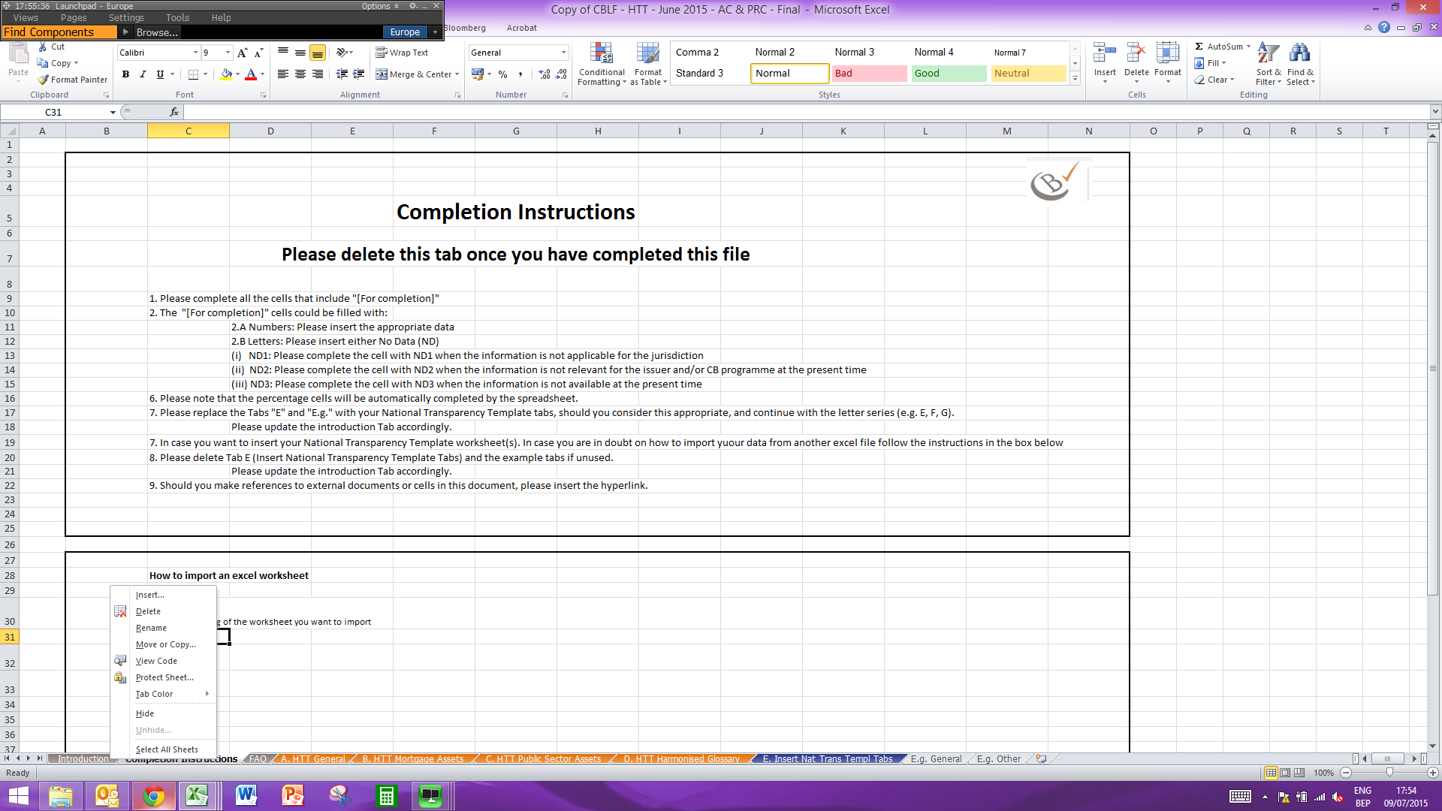
1. Click on the tab of the worksheet you want to import |  |  | 3. Select the excel file where you want to transfer your worksheet from the dropdown menu
2. Select "Move or Copy" |  |  | 4. In the box Before Sheet, please select "(move to end)"
3 |  |  | 5. Do not forget to tick the "Create a copy" box and press ok


Updates for HTT 2022
Here below the list of updates of HTT 2022 with respect to HTT 2021 agreed and implemented in accordance to the Label Committee Meeting decision of 13 September 2021

1. All worksheets: Update the year of the HTT template next to the title of each
2. Worksheet “A. HTT General”: Section 14 cell C242 was unblocked for issuers to insert information
3. Worksheets “B1. HTT Mortgage Assets”: correction of numbering of the rows of sections starting from 7A.18 until 7B.29
4. Worksheet “B1. HTT Mortgage Assets”, “F1. HTT – Optional Sustainable Mortgage Data”: NEW SECTION “CO2 emission (kg of Co2 per year) – optional ”, respectively new section 20 and 29 in tabs B1 and F1. This inclusion has not affected the position of the existing sections.
5. Worksheet “B1. HTT Mortgage Assets”, “F1. HTT – Optional Sustainable Mortgage Data”: Section 17 (Section 27) correction in the breakdown of the age-bucket changing “1945-1960” to “1946-1960”
6. Worksheet “B1. HTT Mortgage Assets”, “F1. HTT – Optional Sustainable Mortgage Data”: Section 16 (Section 26) correction of the title in “Average energy use intensity (kWh/m2 per year)
7. Worksheet “C. HTT Harmonised Glossary” – cancellation in section 1 of Glossary entries which are already present in section 2 (ESG-items)
8. Worksheet “E. Optional ECB-ECAIs data” – additional transaction counterparty in Section 1 to be indicated where applicable
9. Worksheet “F1. HTT – Optional Sustainable Mortgage Data”: clarification in section (change the data requirement from “% Total sustainable Mortgage” to “Total sustainable Mortgages”
10. Worksheet “F1. HTT – Optional Sustainable Mortgage Data”: elimination of column %CRE as data requirement is redundant here.

